CKD I&M flow (06.07)
CKD INFORMATION & MATERIAL FLOW
 |  |  |  |  |  |  |  |  |  |  |  |  |  |  |  | Legend: | Material flow
 |  |  |  |  |  |  |  |  |  |  |  |  |  |  |  |  | Information flow

Firm order for N
Get delivery plan from TMSS
Forecast color for N
FC based on TMSS No?
Request change
- Delivery: swapping/sell buy/advance/ change request
- Color change (deadline: 2 days before line off date)
PARTIES |  |  |  |  | N-2 |  | N-1 |  |  |  |  |  | N |  |  |  |  |  |  | N ~ N+1
 |  | D25 | D24 | D29 | D3 | D25 | D3 | D5 | D15 | ~D30 | ~D-3 (for del plan of D) | D-2 (making del. plan of D) | D-1 (making delivery plan for D) | D (Delivery date) |  |  |  |  |  | D ~ D+6 (Arrival Dealers)
DEALERS
Order tentative for N month (FC N+1, N+2)
TMSS
Payment deadline (auto) = arrival date to DLR
DLR make payment to TMV
Delivery infformation
- TMSS No.
- Dealer
- ETD time -> ETA time
- Means.
TMSS

Support Dlr activity:
- Swapping: Dlr A <-> DLr B with condition: Dlr agree & veh available at yard
- Sell/Buy: Dlr A <-> DLr B with condition: Dlr agree & veh available at yard
....
DSM/FOM
Adjust D&S plan
Request production of N (FC N+1, N+2)
DSM Firm allocation for N
FOM send allocation N
Adjust allocation N month to Dealers

FOM & SPD adjust

Total volume/DLr
Accept swap/sell/buy...-> change deivery plan
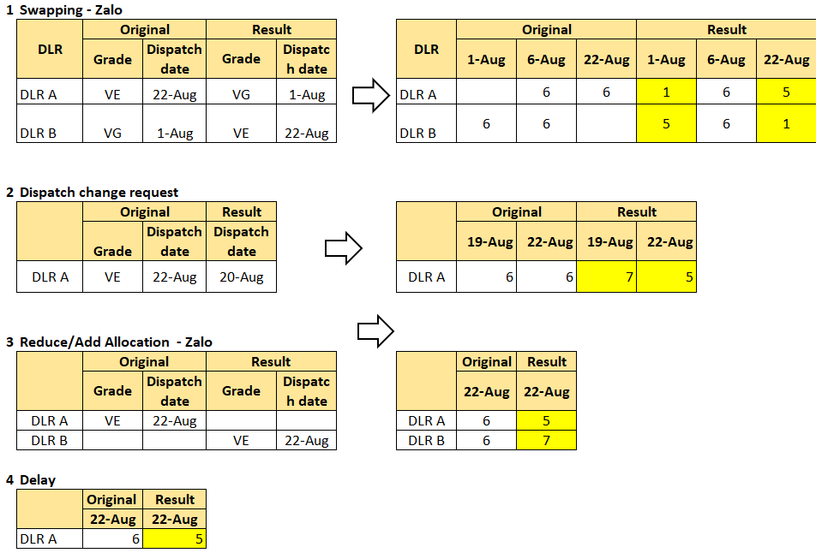

PC confirm tentative production volume for N
PC firm prod. vol for N & make daily prod. plan
PC
PC order color for N
Production plan change

Upload plan to andon system

Andon
Andon
- Grade
- Lot no.
- No. in lot
- Plan LO date
- Plan LO time
Andon
Color link to Andon
Color
Update Plate No. of each trip
VLD
Make Delivery plan by time &
Send to Log. vendor:
- TMSS No.
- Dealer
- Time
- Means.
Delivery plan veh. by veh. for N
- Detail of (ETD/ETA/transportation mean ...)
Adjust delivery plan
Adjust delivery plan
Adjust delivery plan

Concept arrrange logistc:
- Dlr x Dlr/Means
- Maxiimize cheapest mean

Upload delivery plan to TMSS
Upload delivery plan to TMSS

TMSS
TMSS
TMSS
TMSS
TMSS
TMSS

- Grade
- Lot no.
- No. in lot
- Plan LO date
- Plan LO time
- TMSS No.
- Dealer
- Color Deadline
- Plan Delivery Date
- Plan Arrrival Date
.....
Appreance rate= (Total Volume / Dlr volume by grade) x ordial NO.
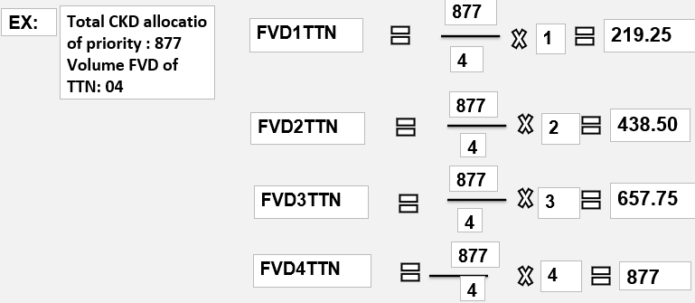

Send truck diagram to Logistics Vendor

Truck diagram to Log Vendor (timing gate-in, location for trans means at loading area)
TRANSPORTATION VENDOR
Update Plate no, of each trip
Receiving truck diagram plan

Arrange transportation means

Receiving delivery note for D delivery
Representative send to driver

INSTRUCTION | BY MANUAL

 | BY SYSTEM

Specific location in loading area showed in key cover
OPERATION
Write loading location to key cover
HLV take key tray to PDI roof
Export shipping list
VLD MB pick shipping keys
Prepare shipping key
VLD MB print out delivery note for veh.
Send Del.note to Vendor

TMSS

2 times/day (16:00 & 9:00)
2 trays/time (15 keys/ tray)
Driver show ID, IN-OUT card to Security for gate-in permission

Based on payment deadline

VLD issue invoice to DLR, upload Invoice information to Interface
Case 1: Combine moving new PDI & Shipping car - 1 MB operate
HLV member
Take the key of next shipping car from tray
Scan on Vin no in key cover of shipping car
=> Auto suggest vacant space for new PDI car (near shipping car).
- Auto print out small location piece
Do PDS

Driver get delivery note from their representative
Driver Load & lash
Delivery to Dealers
- MB attach location to key cover of new PDI
- Put shipping key to pocket & move to new PDI car
- Put PDI checksheet into car
MB move New PDI to Stock Yard
MB move shipping car to washing area
Scan barcode in manifest & scan part no of Floormat/warranty booklet
Interface
Inform VLD on damaged or scratch if any

VLD send docs. by EMS to DLR
QC member scan barcode on Manifest --> Auto print out PDI checksheet
Driver check surround vehicle & accessory
Security guard check and scan Vin No in delivery checksheet to allow gate out
Put to Vehicle
Wash around car
MB move shipping car to loading location
Input arrival date/ time to TMSS

Production line
A
Key put in the car
A
PDI
A
Stock Yard
A
B
B
Washing area
(2 Spaces)
DLR
Pre loading area
Loading area
Gate out

B

Pre-loading area: 50 lots
Car-carrier: 36 lots
Truck: 20 lots
Separate Loading lane vendor by vendor:
- GRL: 1 lane for Truck
- PSC: 1 lane Truck & 1 lane Carrier
- VTC: 1 lane Trunk & 1 lane Carrier
- PA: 1 lane Trunk & 1 lane Carrier

Case 2: No combine moving new PDI with Shipping car - 1 or 2 MB operate

HLV member scan barcode on VIN no in PDI checksheet
MB1: Move New PDI to Stock Yard

MB1: Walk back to PDI area (if distance not too far)
=> Auto suggest vacant space for new PDI car (nearest with PDI area)

MB2: Drive taxi along to pick up MB1(if distance too far)

 |  |  |  |  |  |  |  |  |  |  |  |  |  | Moving shipping car to stock Yard & moving shipping car to Loading area | Washing area |  |  | Loading area | Gate out & transit | Dealers in

CBU I&M flow (06.07)
CBU VEHICLE FLOW
TOYOTA MOTOR VIETNAM
PC & L DIVISION
VEHICLE LOGISTICS DEPT

 |  | N-3 |  | N-2 |  |  |  |  |  | N-1 |  | N |  | Process | ETA - 1 | ATA~ATA+2 | ATA+3 ~ ATA+10 | ATA+3 ~ ATA+ 10 | ~D-3 | D-2 | D-1 | D (Delivery day) | D ~ D+6
 |  |  | D26 |  | D1 | D14 | D15 | D16 | D17 |  | D26~D30 |  | D5 |  |  | VR port check | Move from Port-Yard | Receiving | for del plan of D | Make del. Plan for D | Make delivery plan for D |  | Arrival at dealers
Feedback order Volume to TMV
+ TMC: N-1
+TMT,TMMIN: N
Confirm volume
Send shipping schedule of N to TMV

TMAP/TMC/TDEM

DLR order for production volume
+ TMC: N-1
+TMT,TMMIN: N
DLR order color for production (fix)
+ TMC: N-1
+TMT,TMMIN: N
Request change delivery: swapping/sell buy/advance/ change request
 | Dealers

Order to TMAP (tentative for color)
Allocate vol. to DLRs
Order color to TMAP
Allo. vol. with colors
 | DSM/FOM

Cosmos
Cosmos

Download data from Cosmos & upload to TMSS
- URN, Vin, Engine No.
- ETD/ETA
Detail list trucking next day
Detail unloading time for each means of transportation vendor at TMV yard
Send plan to vendors
Port dispatch plan
Detail moving order, truck time diagram
Dispatch plan time,
=> upload to TMSS
Send plan Log vendors
Daily Delivery plan
Detail starting/ finishing time => upload to TMSS
PPO plan
VLD Planning
For reference
STD stock day at Yard: ~ 20 day (include CC declaration time: ~16 Callendar day)
Finish delivery before next shipment come

TMSS
Port free: 10 days
Concept to move to rental yard:
Total volume/capacity of rental yard = necessay day moving
- TMSS No., Vin, Engine No.
- ETD/ETA
- CC plan
Adjust delivery plan
Make monthly delivery plan
Finish delivery plan for N+1 month

- Grade
- Lot no.
- No. in lot
- Cus. clearance
- Assign Yard
- TMSS No.
- Dealer
- ETD DLR
- ETA DLR
.....
Upload plan to TMSS

Cosmos (Logistics)
Print out receiving plan - give to security guard
VLD MB print out and give to gate security
Gate-in list
Delivery note
VLD MB print out delivery note
Send Del note to Vendor by hour
Representative give to driver

Upload latest ETD & ETA to vehicle
TMSS
TMSS
TMSS
TMSS

Operation
TMSS
PPO Andon
TMSS
Payment deadline (auto) = arrival date to DLR

Write loading location to key
Transfer key ro HLV for moving yard
Export shipping list
VLD MB pick shipping keys
Prepare shipping key
Vehicle intransit to VN port
Actual arrive to port
VR check vehicles
Move from Port-Yard

RECEIVING FROM PORT
PPO
WASHING AREA
MOVE TO LOADING AREA
LOAD TO TRANSPORTATION MEANS
RECEIVING AT DEALERS

Unloading
Stick to Key
Move to stock yard
Non PPO
Stick goods label and FC label (if any)
Move to pre-loading area
Driver inform security plate number for gate-in permission
Load & lash
Delivery to dealers
Unloading
DLR make payment to TMV

TMSS
Scan VIN no on right-hand door to confirm actual receiving from Port
Print out parking lot piece
Do PDS
How to detect if receive wrong veh?
PPO
Move to pre-PPO area
Scan VIN no on checksheet & scan part no of Audio
Move to stock yard
- Scan VIN no & scan part no of Floormat/OM
- Scan Warranty booklet
Driver move transportation means to specific loading location
Security guard scan Vin No in delivery checksheet to record actual gate out

VLD issue invoice to DLR, upload Invoice information to Interface
Capacity of PPO?
If receive q'ty > capacity how action?
Do PPO & Scan Vin no to finish
Inform VLD on damaged or scratch if any
Do PDI
Scan VIN no on checksheet for parking location
Put to vehicle
Driver get delivery note from their representative
Driver check surround vehicle and accessories
Interface
How system generate location?
VLD internal PPO audit 100%
Wash
Input arrival date/time to TMSS
Dealers get electronic invoice from system
How to combine receive veh with delivery veh?
Random PPO audit by QA

 |  |  |  |  |  |  |  |  |  |  |  |  |  |  |  |  |  |  |  |  |  |  | .
Port yard
PDI
TMV stock yard
Stand by area
PPO
(1 station)
Washing
(2 stations)
Pre loading area
Loading area
Gate out
DLR

Actual receive from port
Actual Dispatch date & time
Actual arrival date/time
Actual invoice date
Actual PPO
TMSS
TMSS
TMSS
TMSS
TMSS

